Sheet1
LEHENTECH - 10 BAR FITTINGS
 | NAME |  | Dimension mm |  |  |  |  |  |  | Weight (g)
 | Plastic Sleeve | 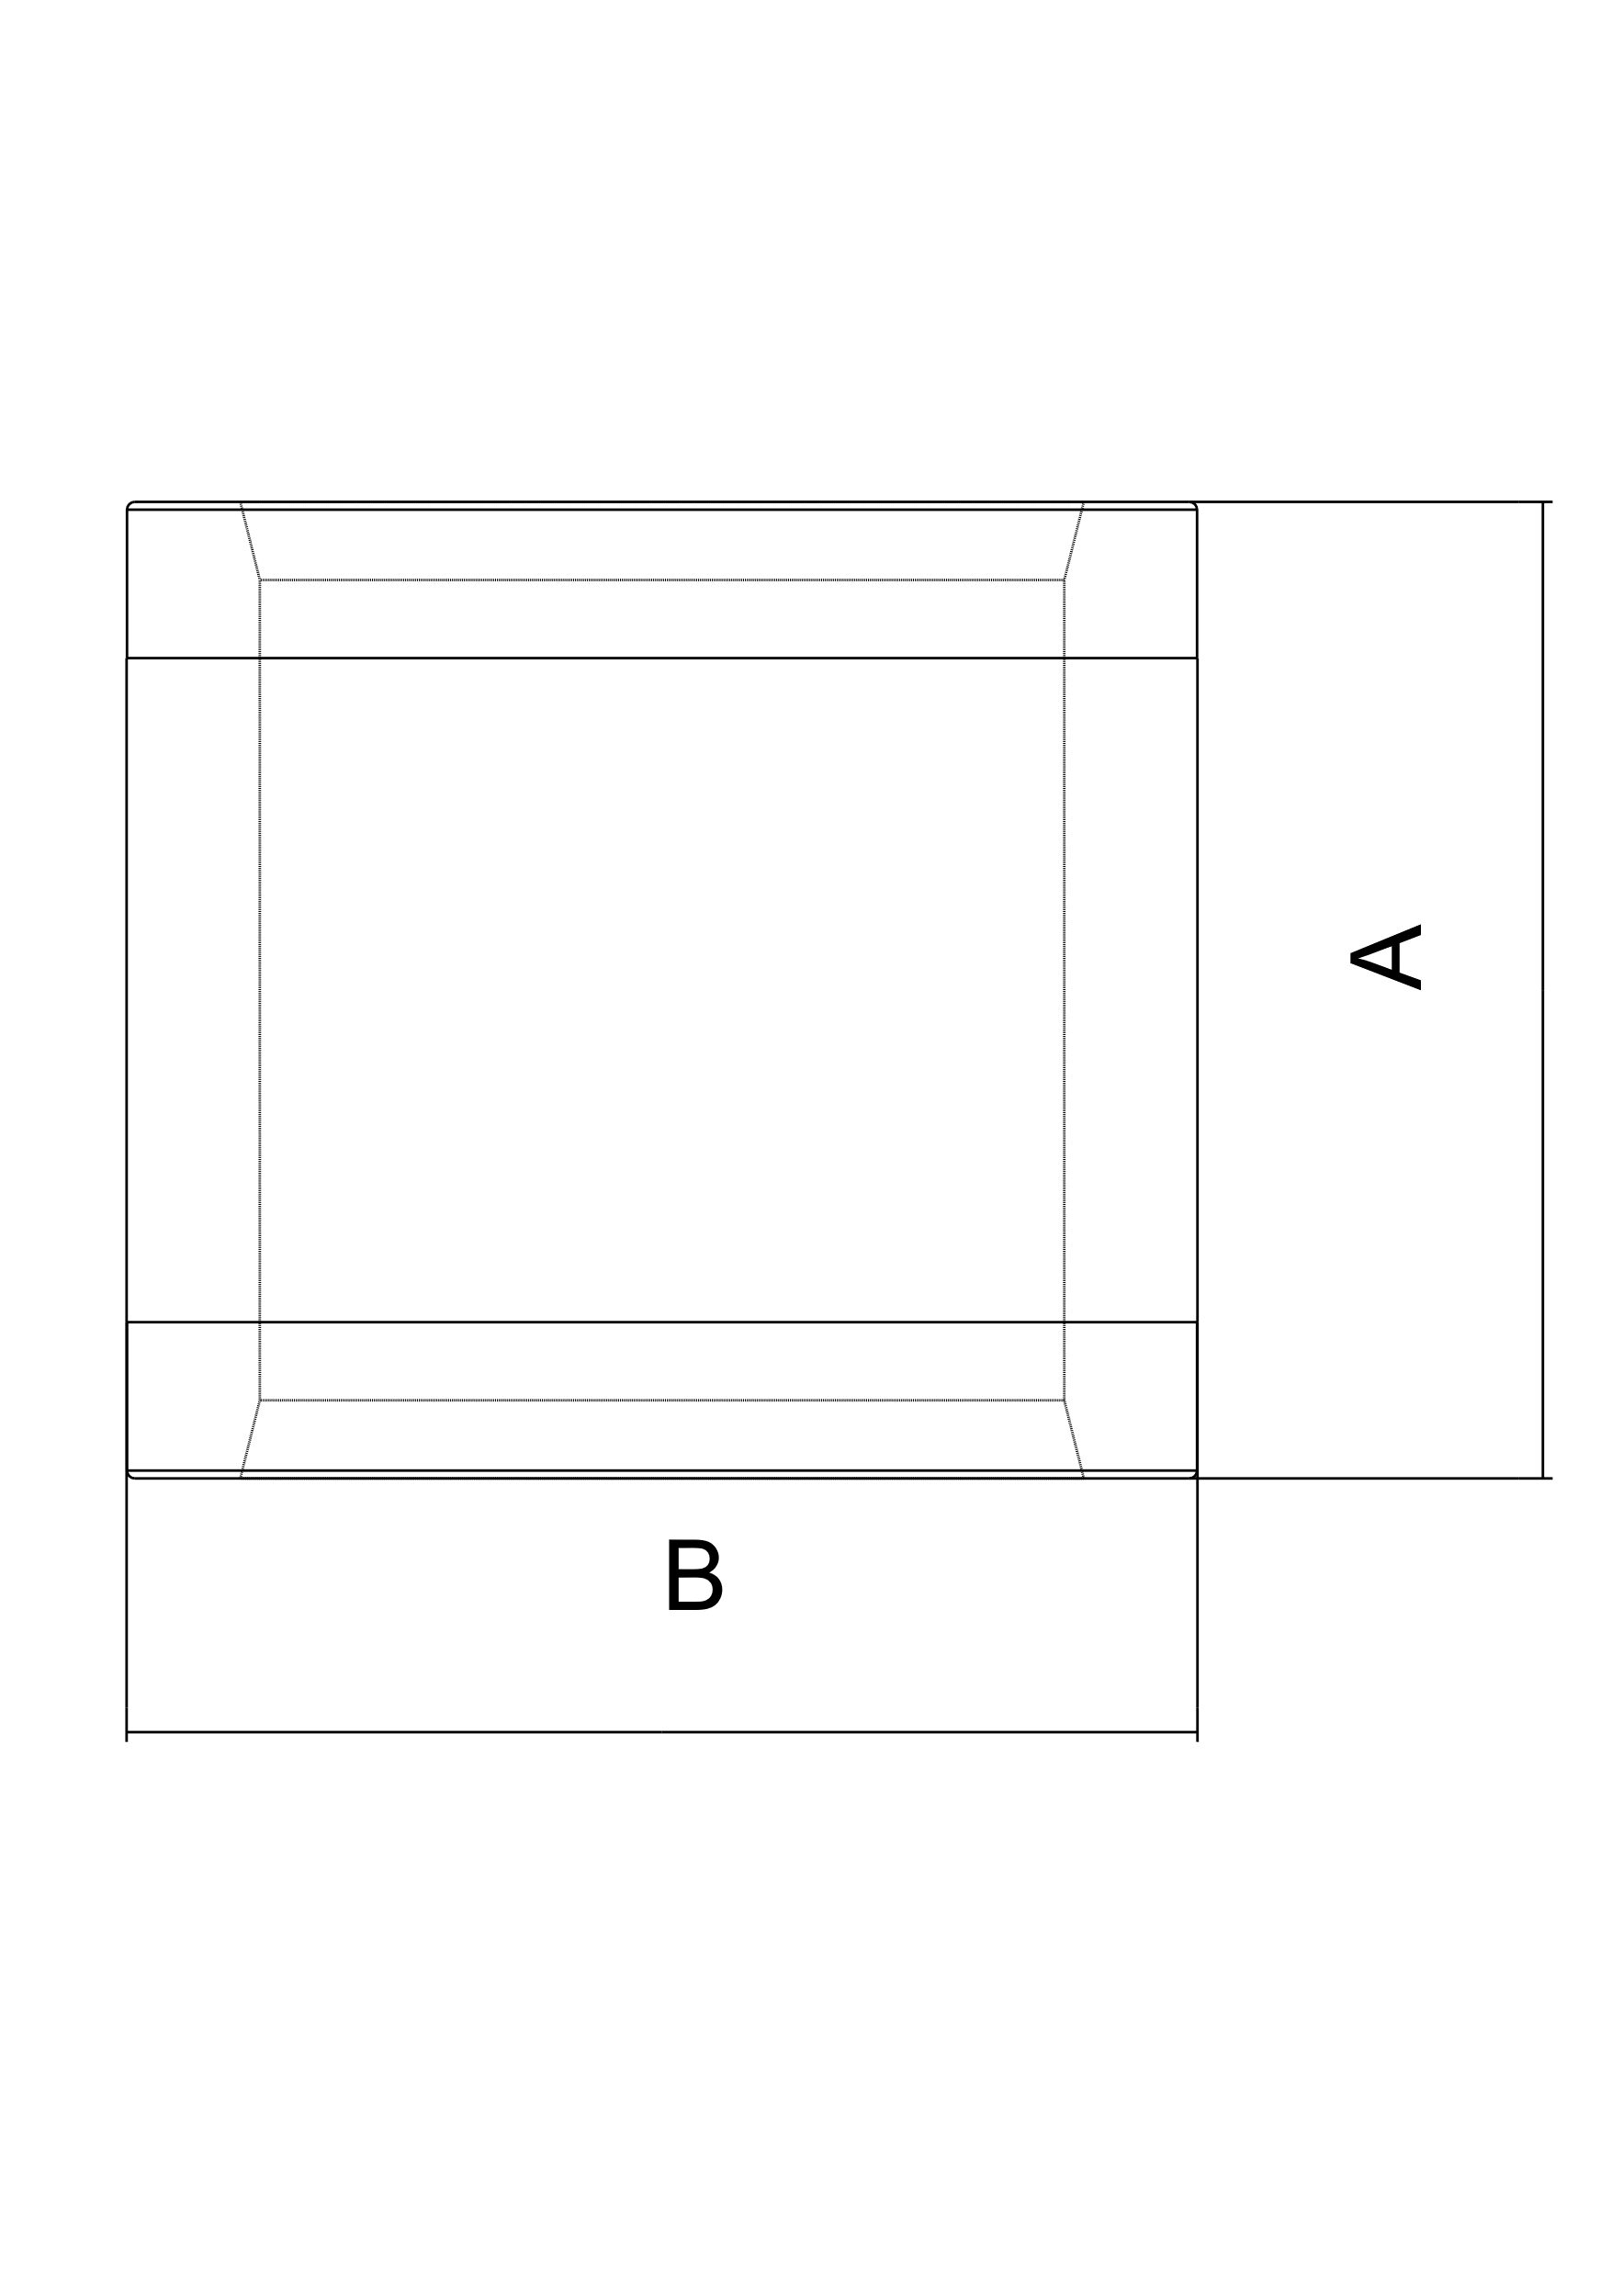 | Dimension | A | L | Reference | Units/bag | Bags/carton box | Units/carton box
 |  |  | 16 | 24 | 23 | L22041000016 | 50 | 22 | 1100 | 8
 |  |  | 20 | 25 | 27 | L22041000020 | 50 | 14 | 700 | 11.5
 |  |  | 25 | 27 | 33 | L22041000025 | 10 | 40 | 400 | 16.5
 |  |  | 32 | 34 | 41 | L22041000032 | 10 | 24 | 240 | 31
 | Coupling | 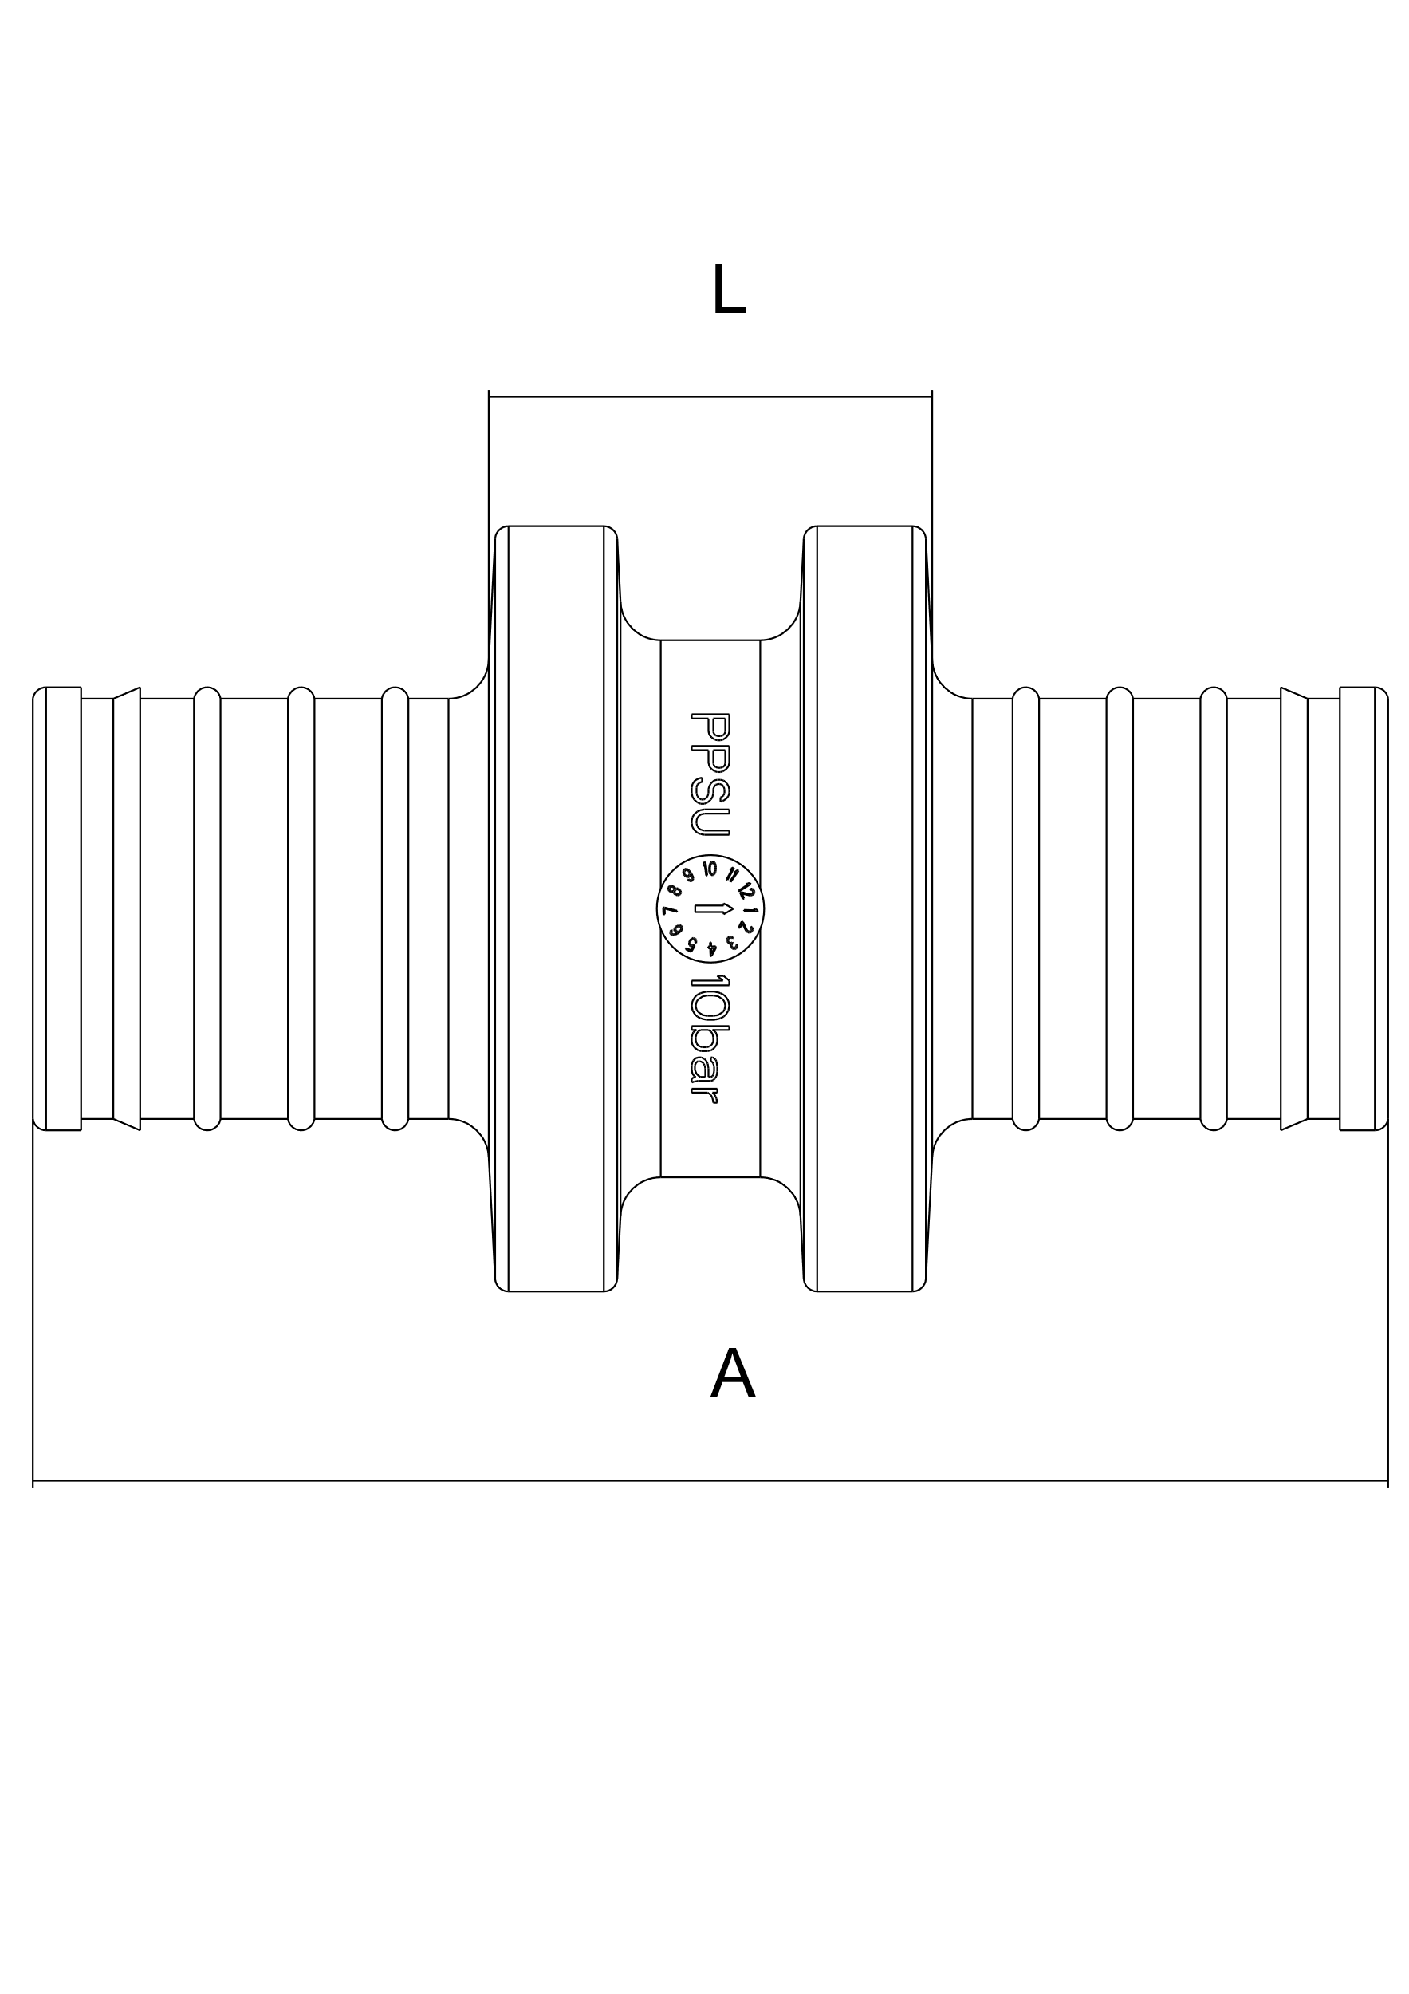 | Dimension | A | L | Reference | Units/bag | Bags/carton box | Units/carton box
 |  |  | 16x16 | 45.0 | 15.5 | L21031001616 | 10 | 75 | 750 | 8
 |  |  | 20x20 | 50.5 | 16.5 | L21031002020 | 10 | 50 | 500 | 13
 |  |  | 25x25 | 64 | 17.5 | L21031002525 | 10 | 25 | 250 | 21.5
 |  |  | 32x32 | 82 | 20 | L21031003232 | 3 | 40 | 120 | 39
 | Reduced Coupling | 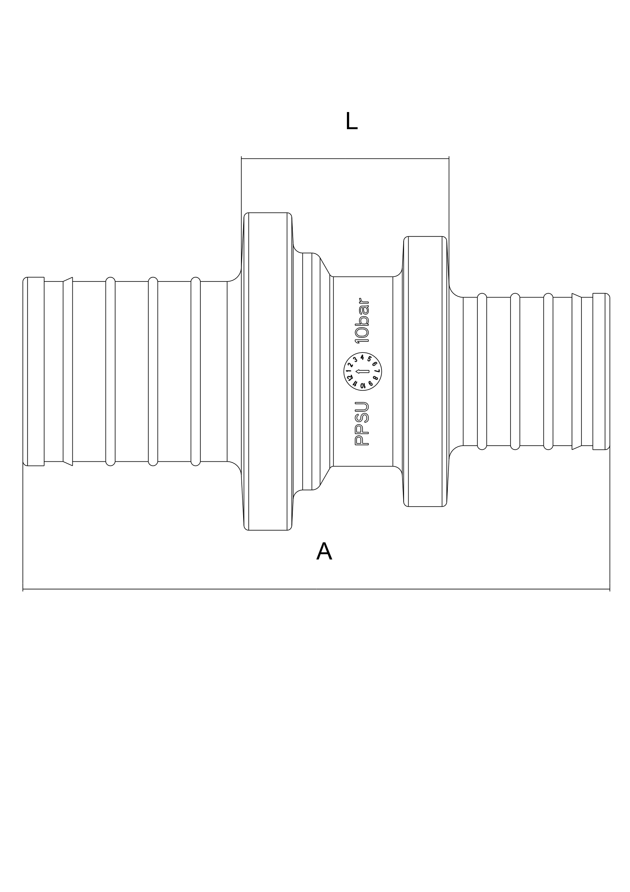 | Dimension | A | L | Reference | Units/bag | Bags/carton box | Units/carton box
 |  |  | 20x16 | 52.5 | 21 | L21031002016 | 10 | 50 | 500 | 11
 |  |  | 25x20 | 62 | 22 | L21031002520 | 10 | 35 | 350 | 18.5
 |  |  | 25x16 | 60 | 22 | L21031002516 | 10 | 35 | 350 | 16
 |  |  | 32x25 | 78 | 23.5 | L21031003225 | 3 | 40 | 120 | 31.5
 | Elbow | 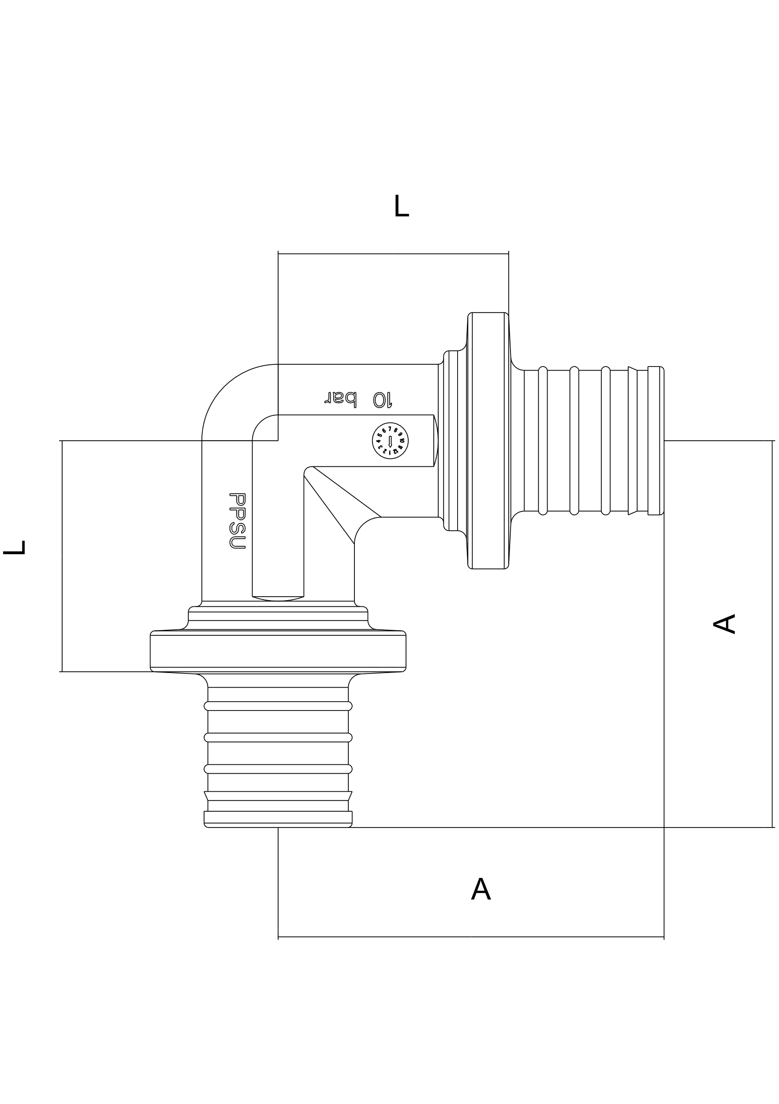 | Dimension | A | L | Reference | Units/bag | Bags/carton box | Units/carton box
 |  |  | 16x16 | 38 | 23 | L21021001616 | 10 | 50 | 500 | 12.5
 |  |  | 20x20 | 43 | 26 | L21021002020 | 10 | 30 | 300 | 20
 |  |  | 25x25 | 53 | 30 | L21021002525 | 10 | 18 | 180 | 33
 |  |  | 32x32 | 65 | 34 | L21021003232 | 3 | 30 | 90 | 60
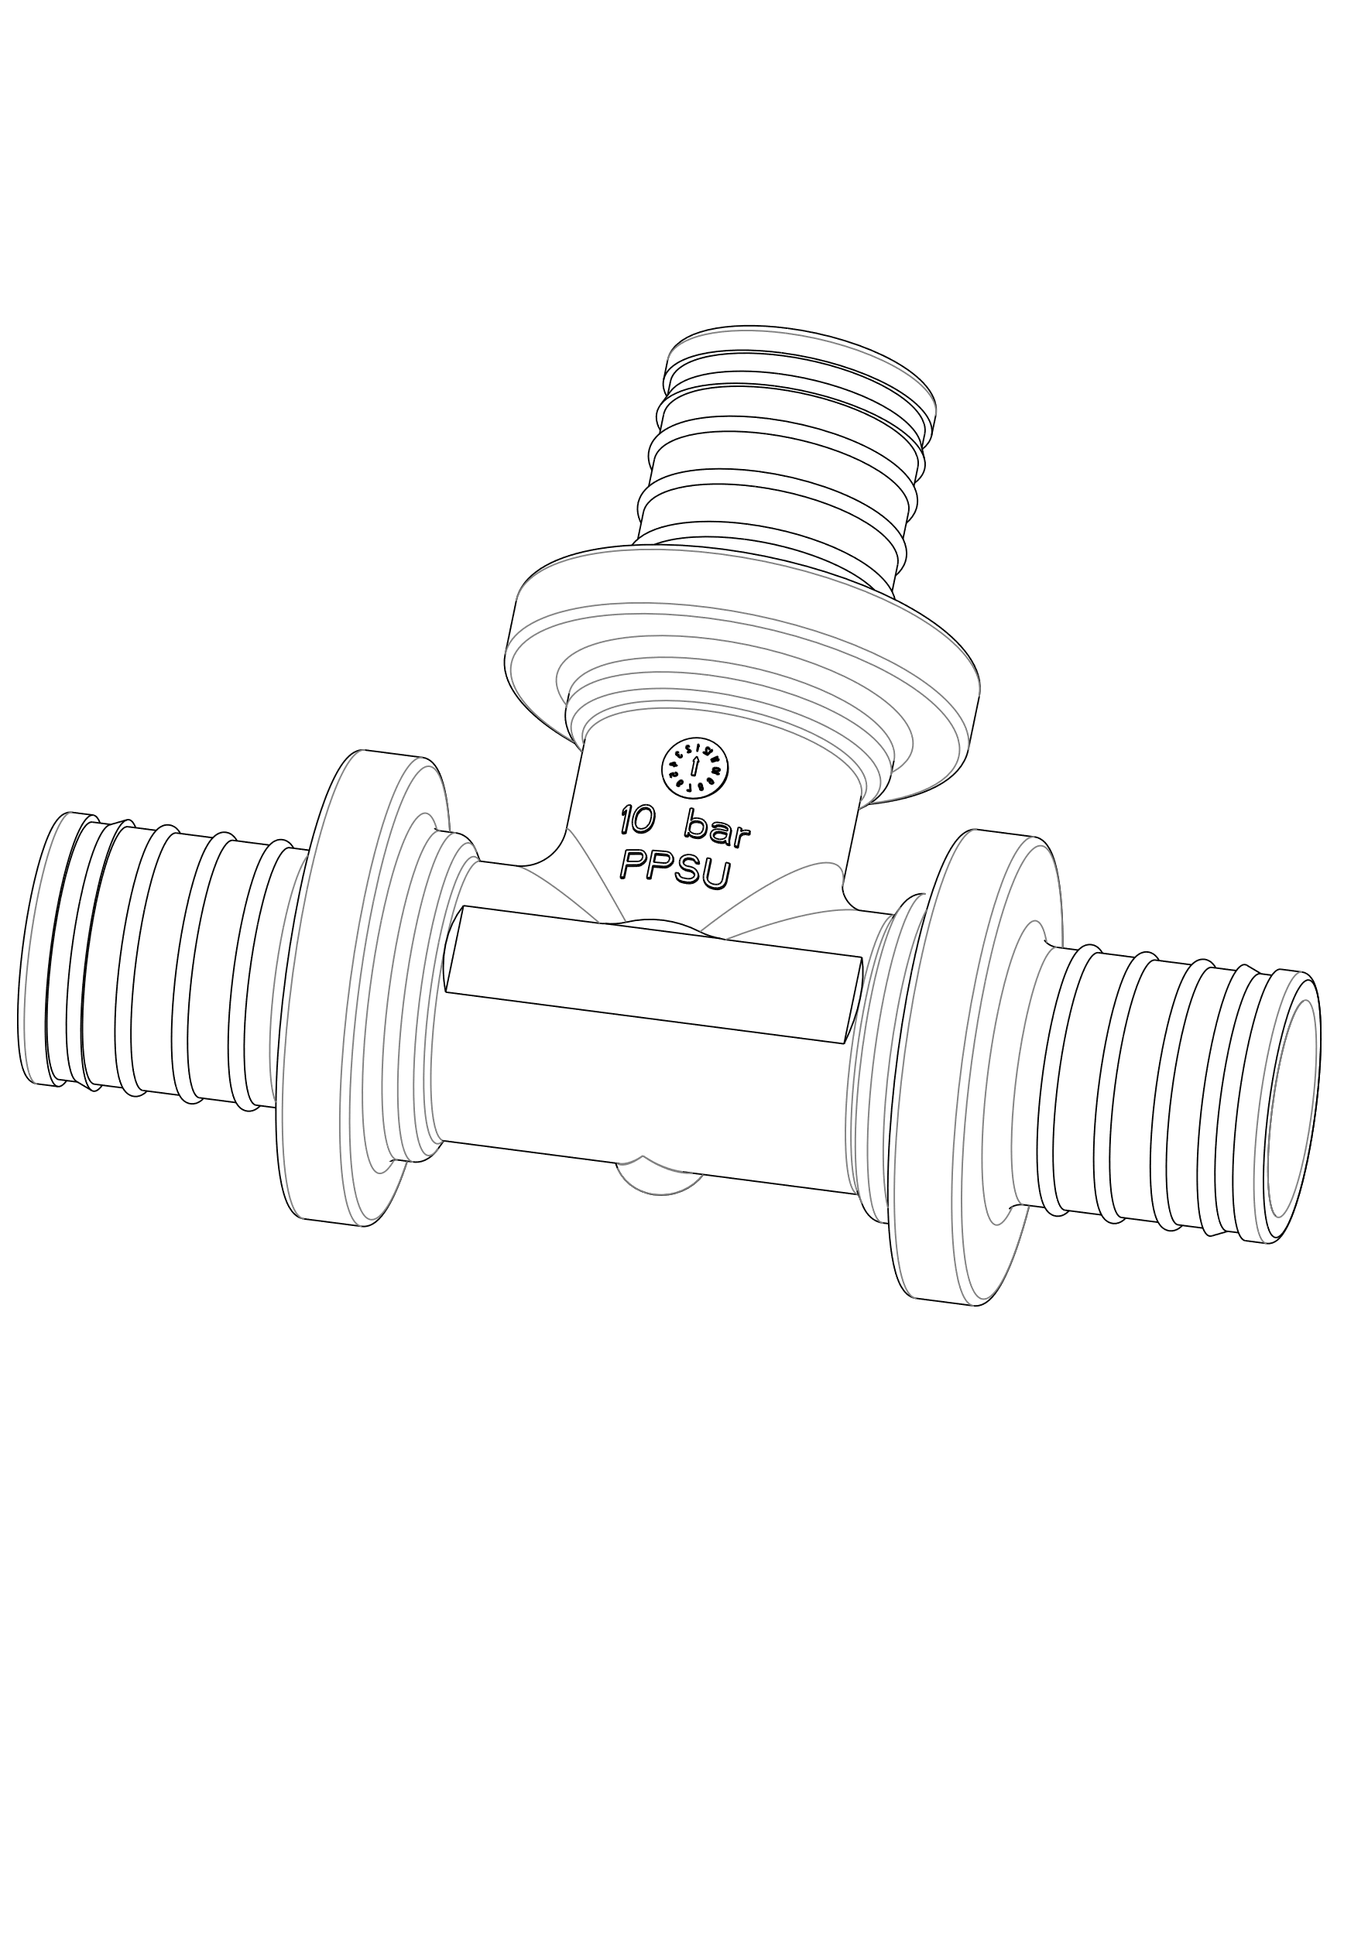 | Tee equal | 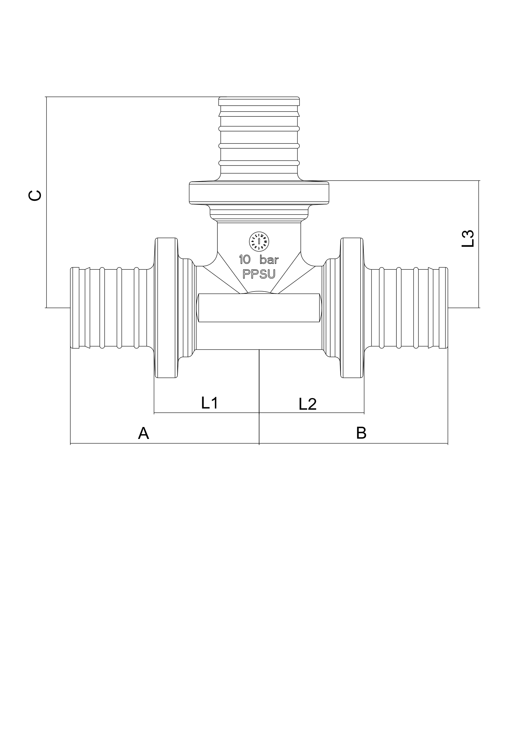 | Dimension | A | B | C | L1 | L2 | L3 | Reference | Units/bag | Bags/carton box | Units/carton box
 |  |  | 16x16x16 | 33.5 | 33.5 | 38.0 | 19.0 | 19.0 | 23.0 | L21011161616 | 10 | 34 | 340 | 15.5
 |  |  | 20x20x20 | 38.5 | 38.5 | 43.0 | 21.5 | 21.5 | 26.0 | L21011202020 | 10 | 22 | 220 | 25.0
 |  |  | 25x25x25 | 48.0 | 48.0 | 53.0 | 25.0 | 25.0 | 30.0 | L21011252525 | 10 | 12 | 120 | 43.0
 |  |  | 32x32x32 | 60.0 | 60.0 | 65.0 | 29.0 | 29.0 | 34.0 | L21011323232 | 3 | 20 | 60 | 76.0
 | Reduced Tee | 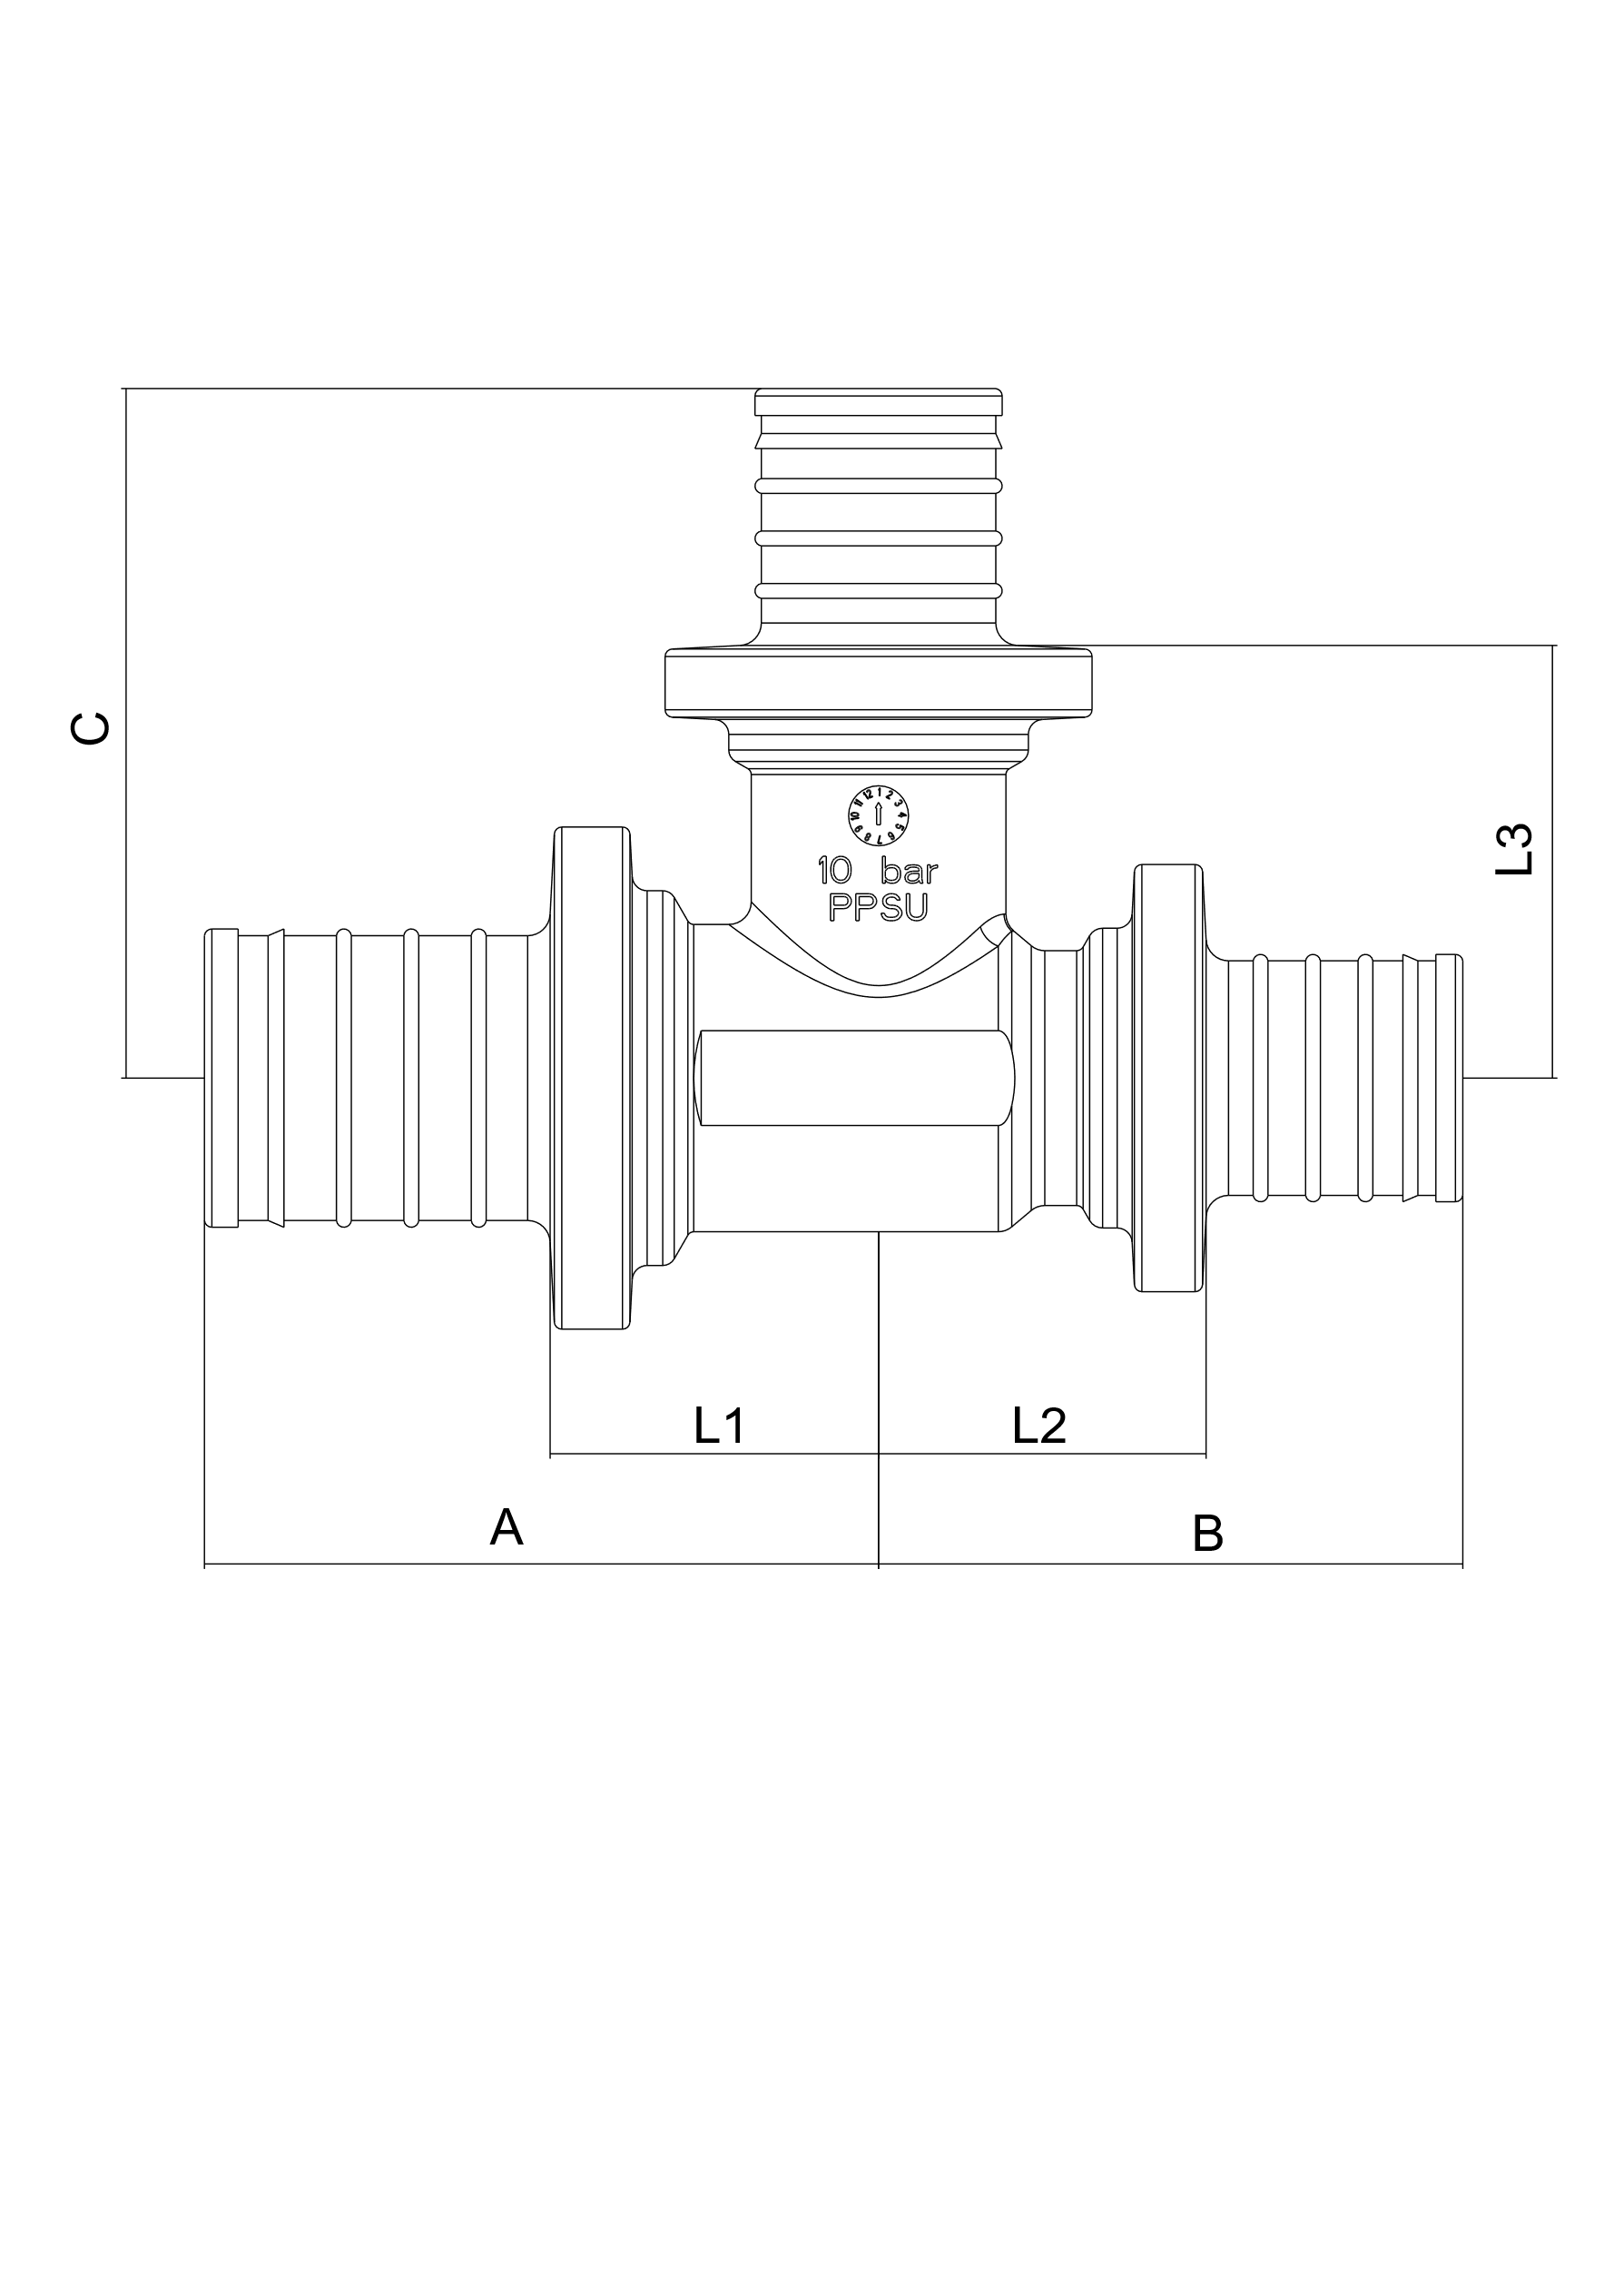 | Dimension | A | B | C | L1 | L2 | L3 | Reference | Units/bag | Bags/carton box | Units/carton box
 |  |  | 20x16x20 | 36.5 | 36.5 | 40 | 19.5 | 19.5 | 25 | L21011201620 | 10 | 25 | 250
 |  |  | 20x16x16 | 36.5 | 33.5 | 40 | 19.5 | 18.5 | 25 | L21011201616 | 10 | 28 | 280
 |  |  | 20x20x16 | 39 | 35.5 | 43 | 22 | 21 | 26 | L21011202016 | 10 | 24 | 240
 |  |  | 16x20x16 | 35.5 | 35.5 | 41 | 21 | 21 | 24 | L21011162016 | 10 | 28 | 280
 |  |  | 25x16x25 | 43 | 43 | 43 | 20 | 20 | 28 | L21011251625 | 10 | 16 | 160
 |  |  | 25x20x25 | 45 | 45 | 46 | 22 | 22 | 29 | L21011252025 | 10 | 13 | 130
 |  |  | 25x16x16 | 43.5 | 33.5 | 43 | 20 | 18.5 | 28 | L21011251616 | 10 | 13 | 130
 |  |  | 25x20x20 | 45 | 39 | 46 | 22 | 22 | 29 | L21011252020 | 10 | 13 | 130
 |  |  | 25x16x20 | 43 | 38 | 43 | 20 | 21 | 28 | L21011251620 | 10 | 13 | 130
 |  |  | 25x20x16 | 45 | 36 | 46 | 22 | 21 | 29 | L21011252016 | 10 | 13 | 130
 |  |  | 25x25x16 | 48 | 38 | 53 | 25 | 23 | 30 | L21011252516 | 10 | 13 | 130
 |  |  | 25x25x20 | 48 | 41 | 53 | 25 | 24 | 30 | L21011252520 | 10 | 13 | 130
 |  |  | 16x25x16 | 38 | 38 | 48 | 23 | 23 | 25 | L21011162516 | 10 | 13 | 130
 |  |  | 20x25x20 | 41 | 41 | 50 | 24 | 24 | 27 | L21011202520 | 10 | 13 | 130
 |  |  | 20x25x16 | 41 | 38 | 50 | 24 | 23 | 27 | L21011202516 | 10 | 13 | 130
 |  |  | 32x16x32 | 52 | 52 | 47 | 21 | 21 | 32 | L21011321632 | 3 | 20 | 60
 |  |  | 32x20x32 | 54 | 54 | 50 | 23 | 23 | 33 | L21011322032 | 3 | 20 | 60
 |  |  | 32x25x32 | 57 | 57 | 56 | 26 | 26 | 33 | L21011322532 | 3 | 20 | 60
 |  |  | 32x32x20 |  |  |  |  |  |  | L21011323220 | 3 | 20 | 60
 |  |  | 32x32x25 | 57 | 48 | 56 | 26 | 25 | 33 | L21011323225 | 3 | 20 | 60
 |  |  | 32x20x20 |  |  |  |  |  |  | L21011322020 | 3 | 20 | 60
 |  |  | 32x20x25 | 54 | 45 | 50 | 23 | 22 | 33 | L21011322025 | 3 | 20 | 60
 |  |  | 32x25x25 |  |  |  |  |  |  | L21011322525 | 3 | 20 | 60
 |  |  | 32x25x20 | 57 | 41 | 56 | 26 | 24 | 33 | L21011322520 | 3 | 20 | 60
 |  |  | 25x32x25 |  |  |  |  |  |  | L21011253225 | 3 | 20 | 60

